BugReport
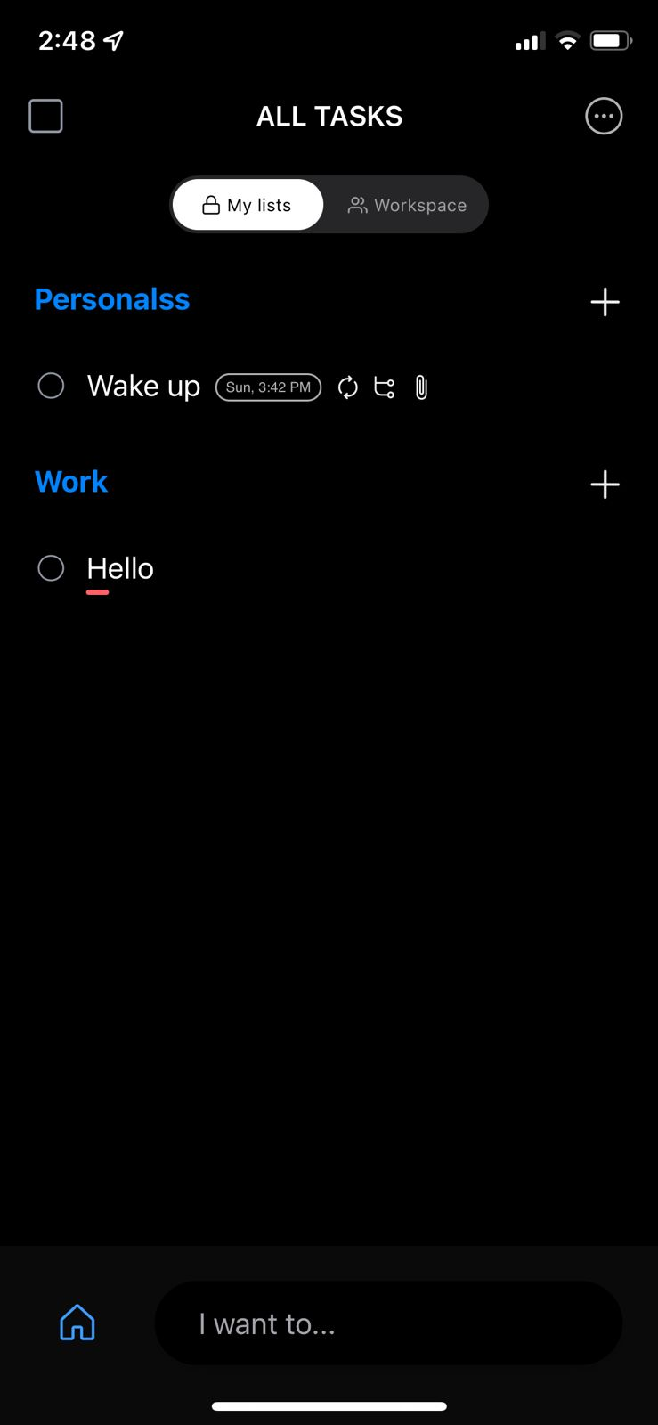
BUG ID | BUG TITLE | PRE-CONDITION | STEPS | EXPECTED RESULT | ACTUAL RESULT | SEVERITY | PRIORITY | ATTACHMENTS
AnyDo_AddList_01 | Add a new list with an existing list name | An internet connection and open the app | 1. click on "+" sign to add a new list | The list isn't added | List is added | Medium | Medium | All the attachments are below table linked to bug id
 |  |  | 2. Name it "list name"
 |  |  | 3. click save

AnyDo_AddList_02 | Save button isn't active when I add a new list with a blank name | An internet connection and open the app | 1. click on "+" sign to add a new list | The save button isn't active | Save button is active | Medium | Medium
 |  |  | 2. leave the list name empty

AnyDo_OptionList_01 | Check that the options appears right | An internet connection and open the app | 1. click on work list to open it | all the options appears good inside the list | sort option isn't capitalized and import option exists twice | LOW | LOW

 |  |  | 2. click on three dots on the top right

AnyDo_SignIn_01 | Check that back button works good after login | An internet connection and open the app using premium trial | 1. sign in | should land on press + to add task page | App stuck in loading | HIGH | HIGH

 |  |  | 2. press on back button

AnyDo_TaskPage_01 | Check that adding tasks in all lists will appear in all tasks page | An internet connection and open the app | 1. add grocery list | All tasks should appear in all tasks list | All tasks appears except grocery items | HIGH | HIGH
 |  |  | 2. put items inside grocery list
 |  |  | 3. add tasks in work and personal lists

AnyDo_PremiumTrial_01 | Check that change phone's date will not affect remaining period for premium trial | N/A | 1. open phone's settings | Permium trial finish date shouldn't change | Premium trial finish date changed | High | High
 |  |  | 2. search for date and time
 |  |  | 3. disable set automatically option
 |  |  | 4. change the date to a date in the past
 |  |  | 5. open the application again

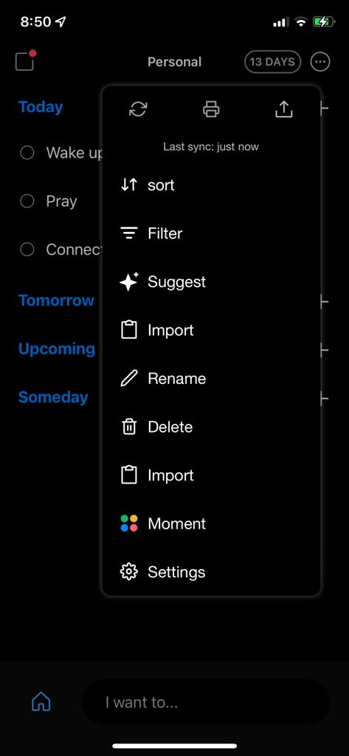

 | AnyDo_OptionList_01 |  |  |  | AnyDo_AddList_02
 |  |  |  |  |  |  |  |  | AnyDo_SignIn_01 | AnyDo_PremiumTrial_01

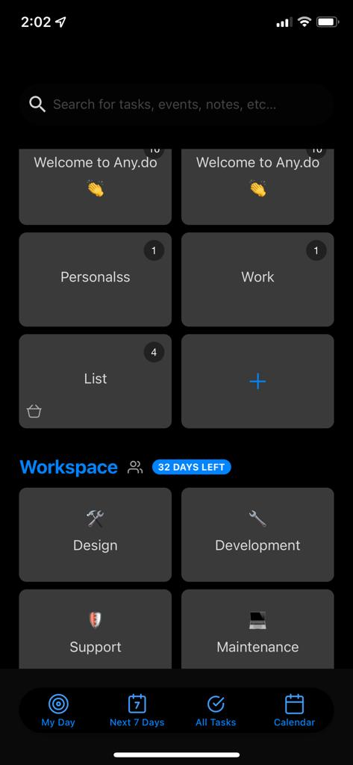

 | AnyDo_AddList_01
 |  |  |  |  | AnyDo_TaskPage_01

